Sheet1
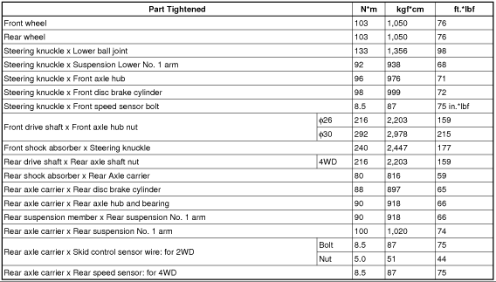
2008 Toyota Rav4 Sport 2.4
COMPONENTS/DRIVE AXLES, BEARINGS AND JOINTS COMPONENTS
Your Vehicle: 2008 Toyota Truck RAV4 2WD L4-2.4L (2AZ-FE)

 | Vehicle » Transmission and Drivetrain » Drive Axles, Bearings and Joints » Specifications » Torque Specifications

 | Torque Specifications

SERVICE SPECIFICATIONS: AXLE: TORQUE SPECIFICATIONS

TORQUE SPECIFICATIONS

Axle

